Welcome
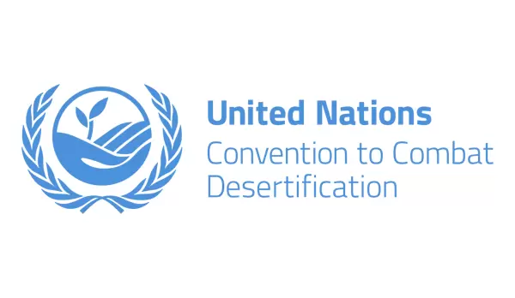
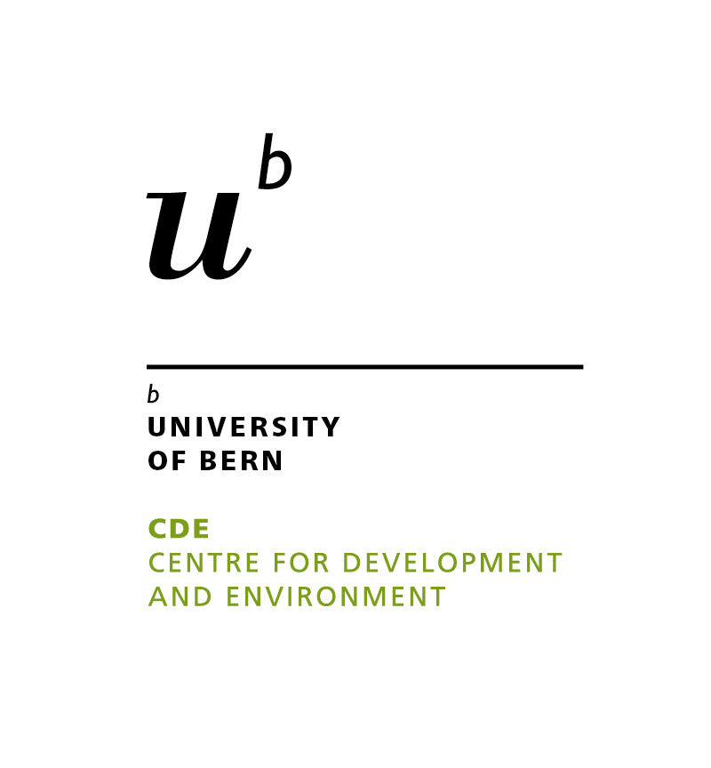
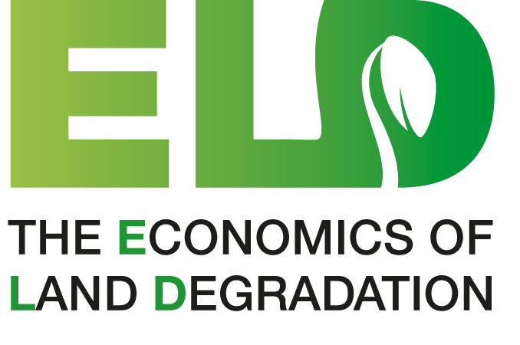
ECON-WOCAT Dataset

Welcome to the ECON-WOCAT Dataset, a harmonised analysis of the costs and benefits of Sustainable Land Management (SLM) technologies, built from the data in the WOCAT Database. Links to the supporting documentation can be found below:
WOCAT Database
Policy Brief
Methodological Paper
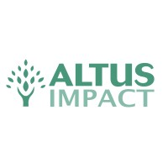
Interactive Dashboard

